Portfolio Basics
Lecture 3

Expected Return for a Portfolio |  |  |  | Random Return Main Calculations |  |  |  |  |  |  |  | Autre Securities
 |  |  |  |  | Enter here
Step 1 |  |  |  | V0,1 | $500.00 |  |  | V0,2 | $300.00 |  |  | V0,3 | $700.00 |  |  | V0,4 | $900.00
 |  |  |  | P0,1 | $5.00 |  |  | P0,2 | $20.00 |  |  | P0,3 | $15.00 |  |  | P0,4 | $30.00
 |  |  |  | n1 | 100 | shares |  | n2 | 15 | shares |  | n3 | 46.666666667 | shares |  | n4 | 30 | shares
Step 2
 |  |  |  | For Two Asset Calculation
 |  |  |  | V0 | $2,400.00

Step 3 |  |  |  | At t=T:
 |  |  |  |  | P0,1 | $7.00 |  | P0,2 | $18.00 |  | P0,3 | $12.50 |  | P0,4 | $40.00

 |  |  |  |  | VT | $2,753.33
Step 4
 |  |  |  |  | Returns | Ind. Returns | Weights
 |  |  |  | Sec1 | $0.08333 | $0.40 | 0.20833333333
 |  |  |  | Sec2 | $(0.01250) | $(0.10) | 0.125
 |  |  |  | Sec3 | $(0.04861) | $(0.17) | 0.29166666667
 |  |  |  | Sec4 | $0.12500 | $0.33 | 0.375
 |  |  |  | rp | $0.14722
Step 5 |  |  |  | rp | 1.4666666667

 |  |  |  | Variance sans Correlation Coeff
THUS
 |  |  |  | Taking only Stocks 1 and 2
 |  |  |  | Weight1 | 0.5
 |  |  |  | Weight2 | 0.5
 |  |  |  | Weight1^2 | 0.25
Finally: |  |  |  | Weight2^2 | 0.25
 |  |  |  | Std1^2 | 2.02
 |  |  |  | Std2^2 | 2.36
 |  |  |  | Cov1,2 | 1.26
 |  |  |  | σ^2_p | 1.725
 |  |  |  |  |  |  | σp 2 = [.25*2.02]+[.25*2.36]+2*.5*.5*1.26=1.725

 |  | Variance avec Correlation Coeff

 |  | Taking only Stocks 1 and 2
 |  | Weight1 | 0.5
 |  | Weight2 | 0.5
 |  | Weight1^2 | 0.25
 |  | Weight2^2 | 0.25
 |  | Std1^2 | 2.02
 |  | Std2^2 | 2.36
 |  | Coeff | -1
 |  | σ1 | 0.125
 |  | σ2 | 0.0512
 |  | σ^2_p | 1.0918

2 Asset Minimum Variance Portfolio |  |  |  |  |  |  | Portfolio with perfect postive correlation (PPC) and perfect negative correlation (PNC)
 |  |  |  |  |  |  |  |  |  |  |  | 0.5 |  |  |  |  |  |  | excel functions
 |  |  |  |  |  |  |  | Assets Returns |  |  |  | 50%X + 50%Y |  | 50%X + 50%Z |  |  |  |  | formulas
 |  |  |  |  |  |  | Year | X | Y | Z |  | XY |  | XZ
 |  |  |  |  |  |  | 2011 | 8% | 16% | 8% |  | 0% |  | 0%
 |  |  |  |  |  |  | 2012 | 10% | 14% | 10% |  | 0% |  | 0%
 |  |  |  |  |  |  | 2013 | 12% | 12% | 12% |  | 0% |  | 0%
 |  |  |  |  |  |  | 2014 | 14% | 10% | 14% |  | 0% |  | 0%
 |  |  |  |  |  |  | 2015 | 16% | 8% | 16% |  | 0% |  | 0%
 |  |  |  |  |  |  |  |  |  |  |  |  |  |  |  | Compare
 |  |  |  |  |  |  | ER | 12% | 12% | 12% |  | 0% |  | 0% |  | 12% | 12%
 |  |  |  |  |  |  | variance | 0.10% | 0.10% | 0.10% |  | 0.00% |  | 0.00% |  | 0.0% | 0.10%
 |  |  |  |  |  |  | sd | 3.16% | 3.16% | 3.16% |  | 0.00% |  | 0.00% |  | 0.0% | 3.16%
Stocks: | A | B |  |  |  |  | Corr (X,Y) | -1
sd | 0.0316 | 0.0211 |  |  |  |  | Corr(X,Z) | 1
var | 0.00099856 | 0.00044521
ret | 0.1 | 0.12
 |  |  |  |  |  |  | XY
Corr(A,B) | -0.817 |  |  |  |  |  | By combing a portfolio with weights 50-50 mix and because the returns are PNC we see that
 |  |  |  |  |  |  | a combination of these assets X and Y can result in a same expected return,12%, with minimized risk , 0% standard deviation
XA | 2.7942342102
XB | -1.7942342102 |  |  |  |  |  | XZ
rp | 0.064115315796 |  |  |  |  |  | By combining a portfolio with weights 50-50 mix and because the returns are PPC we see that
 |  |  |  |  |  |  | a combination of these assets X and Z can result in same expected return. 12%, with same risk , 3.16% sd.
σ^2_p | 0.014691904535

 |  |  |  |  |  |  | Which portfolio would you prefer as a rational investor ?

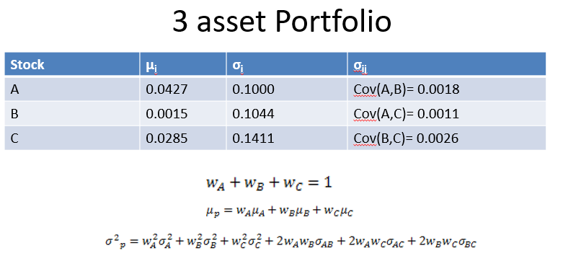
 |  |  |  |  | Stock | μi | σi |  | σi,j | w
 |  |  |  |  | A | 0.0427 | 0.1 | Cov(A,B) | 0.0018 | 0.25
 |  |  |  |  | B | 0.0015 | 0.1044 | Cov(A,C) | 0.0011 | 0.35
 |  |  |  |  | C | 0.0285 | 0.1411 | Cov(B,C) | 0.0026 | 0.4

 |  |  |  |  | μp | 0.0226
 |  |  |  |  | σ^2_p | 0.0064086452

Matrix Algebra
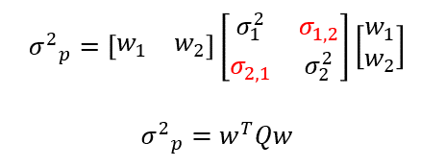
Matrix Algebra |  |  |  |  |  |  |  |  |  |  |  |  |  |  |  |  |  |  |  |  |  |  | How to Get Q Matrix
 |  |  |  |  |  |  |  |  |  | Average Annual Total Returns
BASICS |  |  |  |  |  |  |  |  |  | Year | ARO | ARW | ASI | GLW | GTIV | KLIC | MKSI | OME | PL | SNDK | Portfolio*
A |  |  |  |  | B |  |  |  |  | 2010 | 8.6% | 15.7% | 48.0% | 1.1% | (1.5%) | 33.6% | 40.8% | 85.8% | 64.2% | 72.0% | 36.8%
2 | 1 | 3 | 2 |  | 1 | 4 | 5 | 6 |  | 2009 | 111.5% | 57.2% | 9.4% | 104.7% | (7.7%) | 217.1% | 17.6% | 8.7% | 18.7% | 202.0% | 73.9%
3 | 1 | 5 | 1 |  | 5 | 7 | 3 | 1 |  | 2008 | (39.3%) | (52.0%) | (32.8%) | (59.4%) | 53.7% | (75.2%) | (22.7%) | (56.8%) | (63.0%) | (71.1%) | (41.9%)
1 | 2 | 1 | 8 |  | 1 | 2 | 3 | 8 |  | 2007 | 28.8% | 24.5% | 5.9% | 28.8% | (0.1%) | (18.3%) | (15.2%) | 20.2% | (11.8%) | (22.9%) | 4.0%
1 | 2 | 2 | 0 |  | 2 | 3 | 1 | 5 |  | 2006 | 17.4% | (1.5%) | 10.8% | (4.8%) | 29.3% | (5.0%) | 26.2% | 15.2% | 10.4% | (31.5%) | 6.7%
2 | 4 | 5 | 5 |  | 0 | 8 | 7 | 1 |  | 2005 | (10.6%) | 31.8% | 2.5% | 67.0% | (11.8%) | 2.6% | (3.6%) | (22.0%) | 4.3% | 151.6% | 21.2% | Cov = sum (x-avgx)(y-avgy) /n
 |  |  |  |  |  |  |  |  |  | 2004 | 59.1% | 5.0% | 24.6% | 12.9% | 32.3% | (40.1%) | (36.0%) | 11.4% | 28.2% | (18.4%) | 7.9%
Subtraction: A-B |  |  |  |  |  |  |  |  |  | 2003 | 158.1% | 80.9% | 86.5% | 215.1% | 43.5% | 151.4% | 76.5% | 95.4% | 25.3% | 201.5% | 113.4%
1 | -3 | -2 | -4 |  |  |  |  |  |  | Avg Ann'l Ret | 41.7% | 20.2% | 19.4% | 45.7% | 17.2% | 33.3% | 10.5% | 19.7% | 9.5% | 60.4% | 27.8%
-2 | -6 | 2 | 0 |  |  |  |  |  |  | Std Dev | 61.1% | 37.3% | 33.0% | 78.7% | 23.7% | 93.5% | 34.8% | 47.3% | 34.3% | 104.5% | 54.8%
0 | 0 | -2 | 0 |  |  |  |  |  | MMULT(TRANSPOSE(Returns_Matrix-Avg Ann'l),(Returns_Matrix-Avg Ann'l))/Number of Years
-1 | -1 | 1 | -5 |  |  |  |  |  |  | Q MATRIX
2 | -4 | -2 | 4 |  |  |  |  |  |  | 0.373407 | 0.190573875 | 0.14689325 | 0.419827125 | 0.008679375 | 0.4660342625 | 0.1217825 | 0.17739575 | 0.092418125 | 0.4217765
 |  |  |  |  |  |  |  |  |  | 0.190573875 | 0.1392695 | 0.0899575 | 0.2752915 | -0.0347365 | 0.289615275 | 0.082770375 | 0.114451 | 0.072901625 | 0.339222375
Addition: A+B |  |  |  |  |  |  |  |  |  | 0.14689325 | 0.0899575 | 0.10892573437 | 0.18899140625 | 0.003396546875 | 0.16153701719 | 0.0895703125 | 0.14708451562 | 0.084775515625 | 0.1901465
3 | 5 | 8 | 8 |  |  |  |  |  |  | 0.419827125 | 0.2752915 | 0.18899140625 | 0.6197239375 | -0.01809584375 | 0.58497156562 | 0.18254475 | 0.21086884375 | 0.09987321875 | 0.701699375
8 | 8 | 8 | 2 |  |  |  |  |  |  | 0.008679375 | -0.0347365 | 0.003396546875 | -0.01809584375 | 0.056354359375 | -0.065289776562 | 0.0015241875 | -0.009283046875 | -0.033376671875 | -0.1042145
2 | 4 | 4 | 16 |  |  |  |  |  |  | 0.4660342625 | 0.289615275 | 0.16153701719 | 0.58497156562 | -0.065289776562 | 0.87448850109 | 0.21600599375 | 0.21595218281 | 0.14115362031 | 0.846945475
3 | 5 | 3 | 5 |  |  |  |  |  |  | 0.1217825 | 0.082770375 | 0.0895703125 | 0.18254475 | 0.0015241875 | 0.21600599375 | 0.1211845 | 0.1293895625 | 0.0617231875 | 0.22639375
2 | 12 | 12 | 6 |  |  |  |  |  |  | 0.17739575 | 0.114451 | 0.14708451562 | 0.21086884375 | -0.009283046875 | 0.21595218281 | 0.1293895625 | 0.22376523438 | 0.12879623437 | 0.2146635
 |  |  |  |  |  |  |  |  |  | 0.092418125 | 0.072901625 | 0.084775515625 | 0.09987321875 | -0.033376671875 | 0.14115362031 | 0.0617231875 | 0.12879623437 | 0.11767298438 | 0.168051875
Transpose: |  |  |  |  |  |  |  |  |  | 0.4217765 | 0.339222375 | 0.1901465 | 0.701699375 | -0.1042145 | 0.846945475 | 0.22639375 | 0.2146635 | 0.168051875 | 1.0912245
A | 2 | 3 | 1 | 1 | 2
 | 1 | 1 | 2 | 2 | 4
 | 3 | 5 | 1 | 2 | 5
 | 2 | 1 | 8 | 0 | 5

B | 1 | 5 | 1 | 2 | 0
 | 4 | 7 | 2 | 3 | 8
 | 5 | 3 | 3 | 1 | 7
 | 6 | 1 | 8 | 5 | 1

SAA_TAA
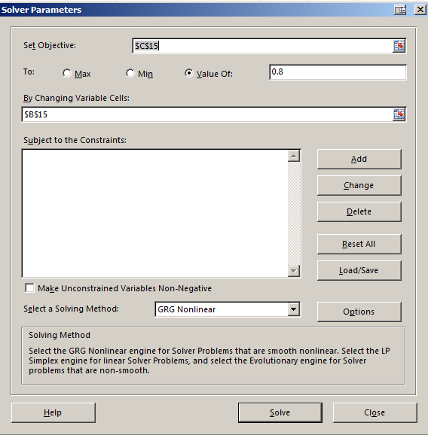
Strategic Asset Allocation |  |  |  |  |  |  | Tactical Asset Allocation |  |  |  | Pre 2008
Initial | 5000 |  |  |  |  |  | Initial | 3000
Goal: | 80% stocks 20% bonds |  |  |  |  |  | Goal: | 80% stocks 20% bonds
 |  | w |  |  |  |  |  |  | w |  | [Same as SAA]
Stocks | 4000 | 0.8 |  |  |  |  | Stocks | 2400 | 0.48
Bonds | 1000 | 0.2 |  |  |  |  | Bonds | 600 | 0.12
Vi | 5000 |  |  |  |  |  | Vi | 3000
1 year later 20% return on stocks and 2% return on bonds |  |  |  |  |  |  | 2008 -61% return on stocks and 2% return on bonds
 |  | w |  |  |  |  |  |  | w
Stocks | 4800 | 0.82474226804 |  |  |  |  | Stocks | 936.0 | 0.16082474227 | portfolio now: 60% in stocks and 40% in bonds
Bonds | 1020 | 0.17525773196 |  |  |  |  | Bonds | 612 | 0.10515463918
Vf | 5820 |  |  |  |  |  | Vf | 1548.0
 |  |  |  |  |  | Solver Instructions:
Rebalance |  | w |  |  |  | 1. Set Objective cell to weight_bonds | Re-allocate |  | w
Stocks | 4656.00 | 0.8000 | sell | $144.00 | of stocks | 2. Set Changing Cell to Rebalance_Bonds | Stocks | 1238 | 0.2128 | invest | $302.40 | in stocks | Doing this in expectation | https://www.thebalance.com/what-is-tactical-asset-allocation-2466851
Bonds | 1164.00 | 0.2000 | invest | $144.00 | in bonds | 3. Solve | Bonds | 310 | 0.0532 | sell | $(302.40) | of bonds | that stocks will make a
Vf | 5820.0 |  |  |  |  | 4. Check that the Vfs' match | Vf | 1548.0 |  |  |  |  | come back

rp | 16.40% |  |  |  |  |  | rp | -48.40%

 |  |  |  |  |  |  | How much return is needed in equities to have a 2009 Vf of = 3000, holding bonds return constant at 2%?

 |  |  |  |  |  |  | Stocks | 2684 | #DIV/0! | equity return = |  | 117%
 |  |  |  |  |  |  | Bonds | 316 | #DIV/0!
 |  |  |  |  |  |  | Vf | 3000.0

 |  |  |  |  |  |  | How much return is needed in equities to have a 2009 Vf of = 4000, holding bonds return constant 2%?
 |  |  |  |  |  |  | Stocks | 3684 | #DIV/0! | equity return = |  | 197%
 |  |  |  |  |  |  | Bonds | 316 | #DIV/0!
 |  |  |  |  |  |  | Vf | 4000.0

